Sheet1
Prying force calculations |  |  |  | Q | 9.2 | t | straining actions

w | 8.4 | cm | inverse prop. | M | 60 | tm
a | 6 | cm | inverse prop. | Ix | 13722579000 | mm4 | Plate inertia
b | 4 | cm | direct prop.
As | 4.59 | cm2 | direct prop. | Y mm | stress t/cm2 | w cm | h cm | applied force t | force / 0.6 t | T bolt | is safe | n | ps | Qall
tp | 2 | cm | inverse prop. | 441 | 0.19282089759 | 8.4 | 10.7 | 15.228259936 | 25.380433226 | 28.91 | pass | 6 | 7.63 | 21.665515743
Text,b | 28.91 | tons |  | 334 | 0.14603668888 | 12 | 10.2 | 15.145491237 | 25.242485396 | 28.91 | pass | 4 | 7.63 | 14.531055255
Text,act | 15.228259936 | tons |  | 232 | 0.10143865814 | 12 | 9 | 8.8304100855 | 14.717350142 | 15.43 | pass | 4 | 6.17 | 10.555922171
P | 4.7906887888 | tons |  | 142 | 0.062087454552 | 12 | 14.2 | 5.2898511278 | 8.8164185464 | 15.43 | pass | 4 | 6.17 | 16.218980827
P% | 0.31459200257 |  |  | 0 | 0 | 15 | 0 | 0 | 0 | 0 | not safe | 0 | 0 | #DIV/0!
total applied | 20.018948724 | tons |  | 0 | 0 | 15 | 0 | 0 | 0 | 0 | not safe | 0 | 0 | #DIV/0!
tension req. | 25.380433226 | tons | pass | 0 | 0 | 15 | 0 | 0 | 0 | 0 | not safe | 0 | 0 | #DIV/0!
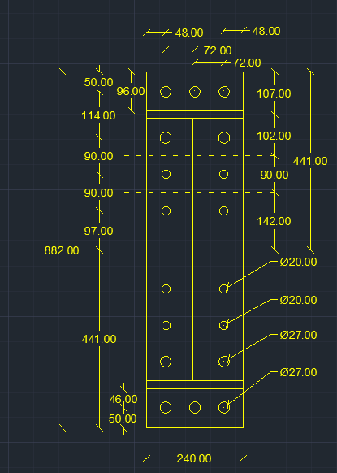
ten+prying req. | 25.023685906 | tons | pass

welding |  |  |  |  |  | Qall |  | 62.971473997 | tons | pass

steel ultimate stress | 5.2 | t/cm2
allowable stress | 1.04 | t/cm2 |  |  |  | Flanges weld |  | 2 | cm
Q | 9.2 | t
Mx | 60 | tm |  |  |  | web weld |  | 1 | cm
flange | 24 | cm
flange thickness | 2 | cm
web | 65 | cm
web thickness | 1 | cm
web weld length | 63 | cm
web weld thicnkess | 1 | cm
flange upper weld length | 24 | cm
flange lower weld length | 21 | cm
flange weld thickness | 2 | cm
Ix | 244663.5 | cm 3
A (axial stress) | 0.84605999669 | t/cm2 | pass
B (axial stress) | 0.79701304036 | t/cm2 | pass
web (shear stress) | 0.073015873016 | t/cm2 | pass
B (combined stress) | 0.80698434907 | t/cm2 | pass

